Laporan Uji Coba Postman
LAPORAN UJI COBA POSTMAN – COMISIO API

No. | Folder / Modul | Nama Request | Method | URL Endpoint | Hasil yang Diharapkan | Hasil Uji Coba | Status

1 | Utilities & Seeders | Run Database Migration | POST | {{baseUrl}}/api/migrate | 200 OK – Database berhasil di-migrate |  | Done
2 | Utilities & Seeders | Seed Admin | POST | {{baseUrl}}/api/seed-admin | 200 OK – Akun admin berhasil dibuat |  | Done
3 | Utilities & Seeders | Seed Products (30+ Products) | POST | {{baseUrl}}/api/seed-products | 200 OK – 30+ produk berhasil ditambahkan |  | Done
▶ Registrasi & Login
4 | Registrasi & Login | Submit Registration (Affiliate) | POST | {{baseUrl}}/api/signup | 201 Created – Akun affiliate berhasil terdaftar | 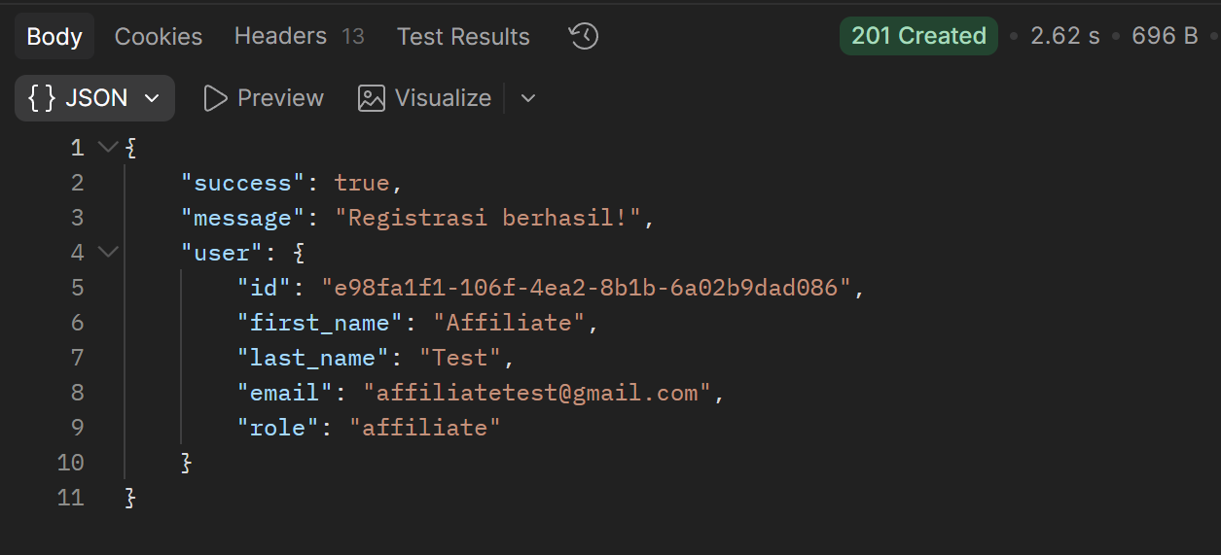 | Done
5 | Registrasi & Login | Login Akun (Admin) | POST | {{baseUrl}}/api/login | 200 OK – Token berhasil digenerate dan disimpan | 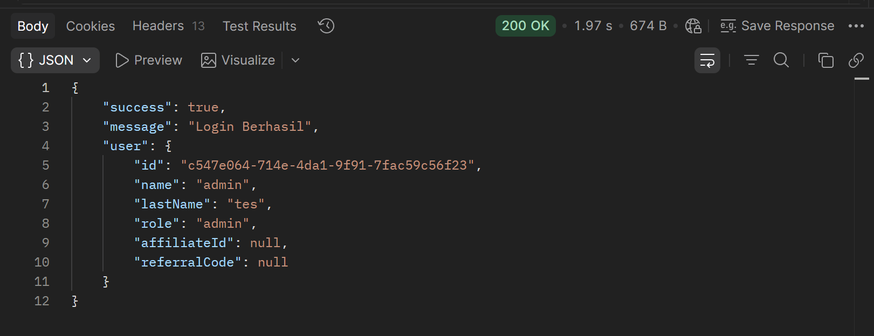 | Done
▶ Manajemen Produk
6 | Manajemen Produk | List Produk | GET | {{baseUrl}}/api/products | 200 OK – Daftar produk berhasil ditampilkan | 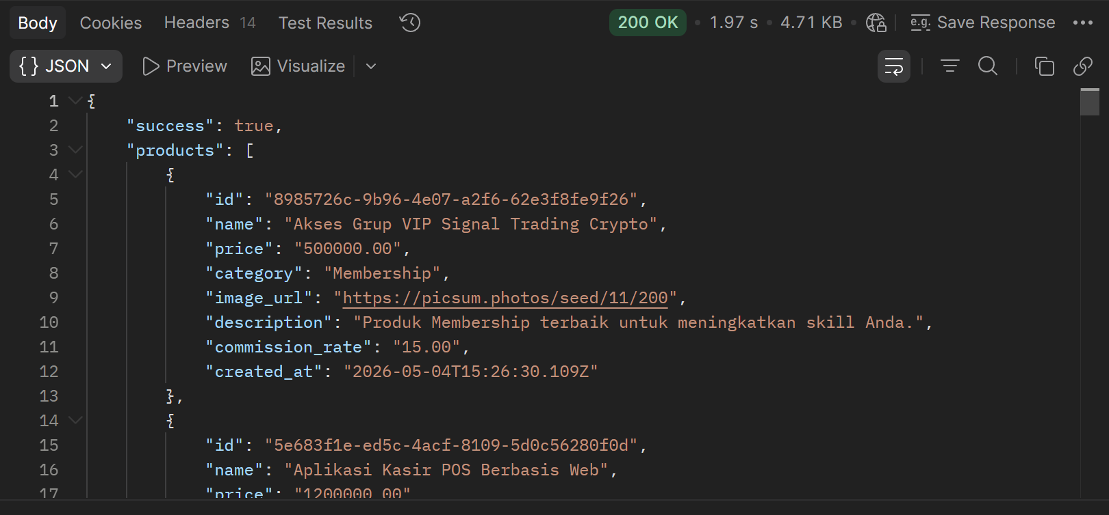 | Done
7 | Manajemen Produk | Tambah Produk | POST | {{baseUrl}}/api/products | 201 Created – Produk baru berhasil ditambahkan ke database | 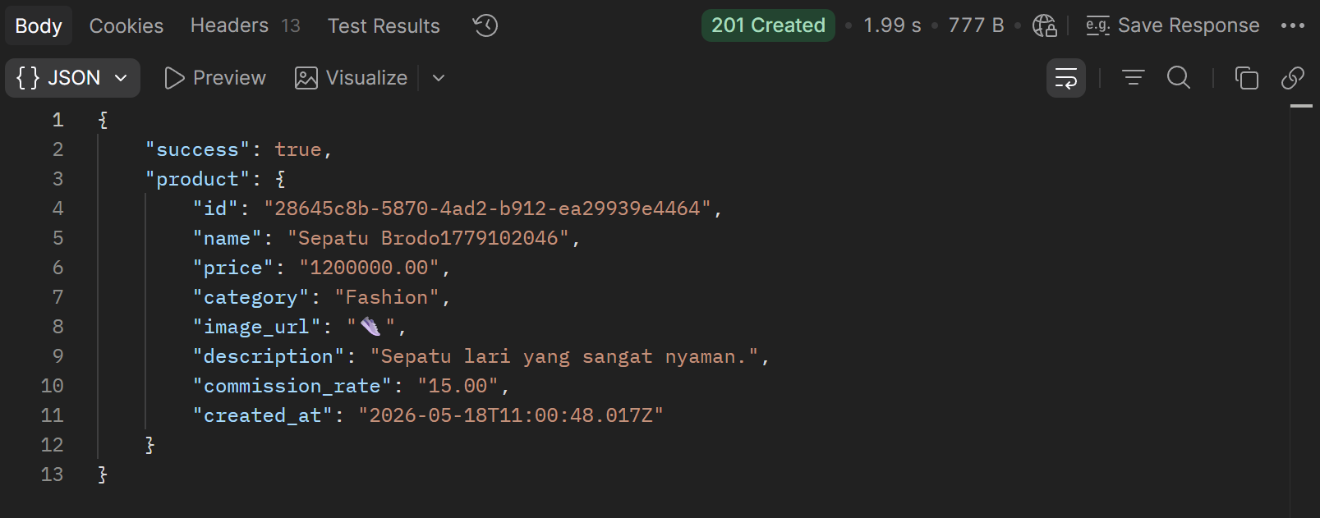 | Done
8 | Manajemen Produk | Update Produk | PUT | {{baseUrl}}/api/products/{{productId}} | 200 OK – Data produk berhasil diperbarui | 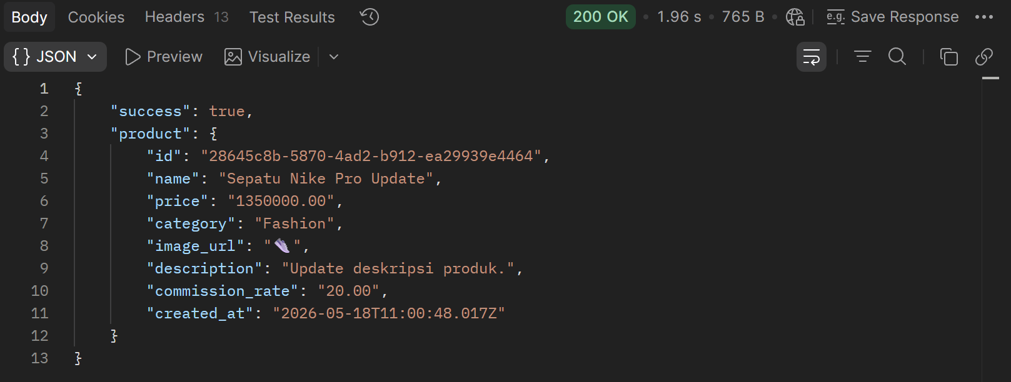 | Done
9 | Manajemen Produk | Hapus Produk | DELETE | {{baseUrl}}/api/products/{{productId}} | 200 OK – Produk berhasil dihapus dari database |  | Done
▶ Affiliates Data
10 | Affiliates Data | Get All Affiliates | GET | {{baseUrl}}/api/affiliates | 200 OK – Daftar affiliate berhasil ditampilkan | 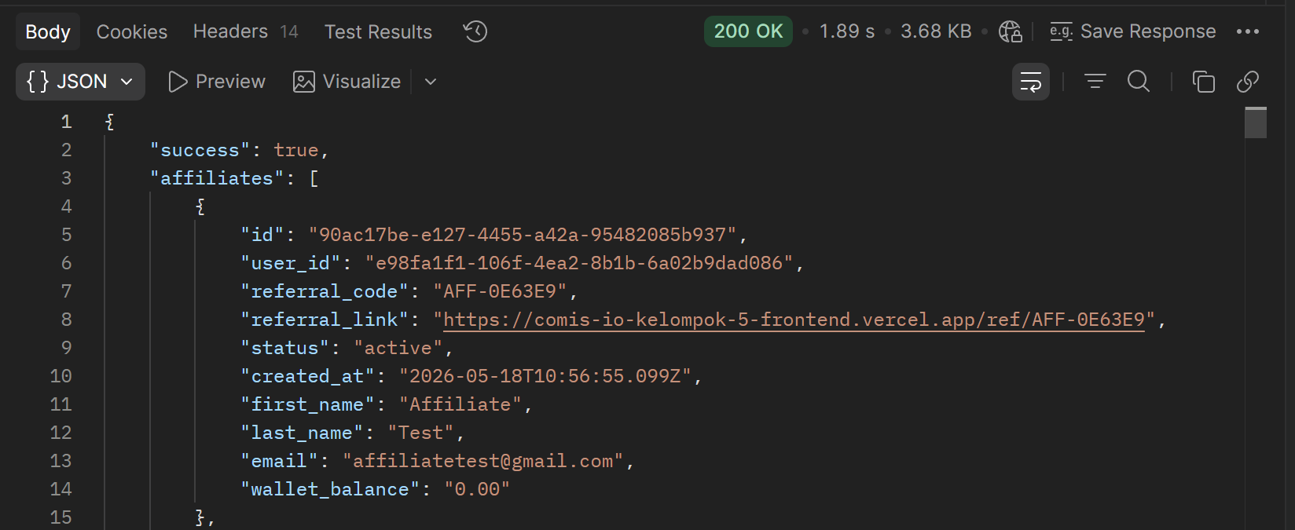 | Done
11 | Affiliates Data | Update Affiliate Status | PUT | {{baseUrl}}/api/affiliates/{{affiliateId}}/status | 200 OK – Status affiliate berhasil diperbarui menjadi active | 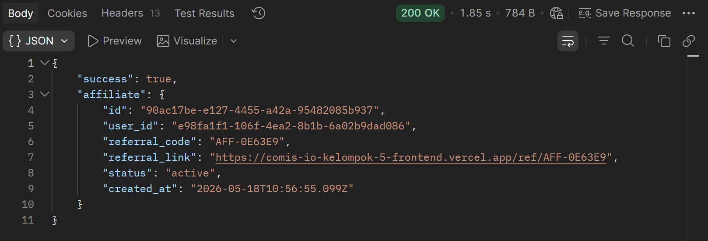 | Done
▶ Campaigns & Referrals
12 | Campaigns & Referrals | Add Campaign | POST | {{baseUrl}}/api/campaigns | 201 Created – Kampanye baru berhasil dibuat | 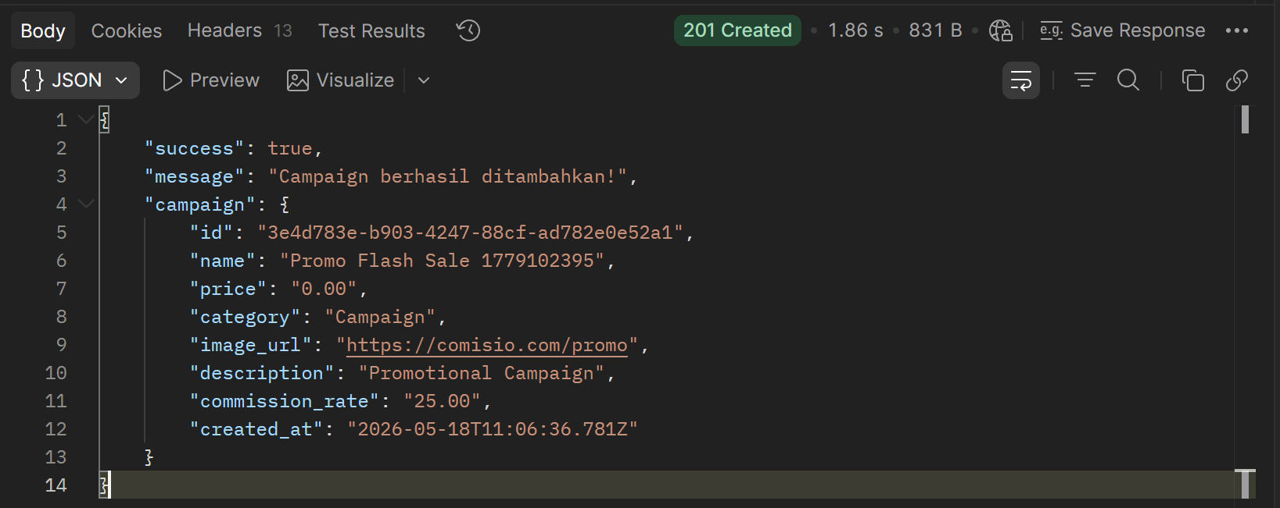 | Done
13 | Campaigns & Referrals | Join Campaign (Affiliate) | POST | {{baseUrl}}/api/campaigns/join | 200 OK – Affiliate berhasil bergabung ke kampanye | 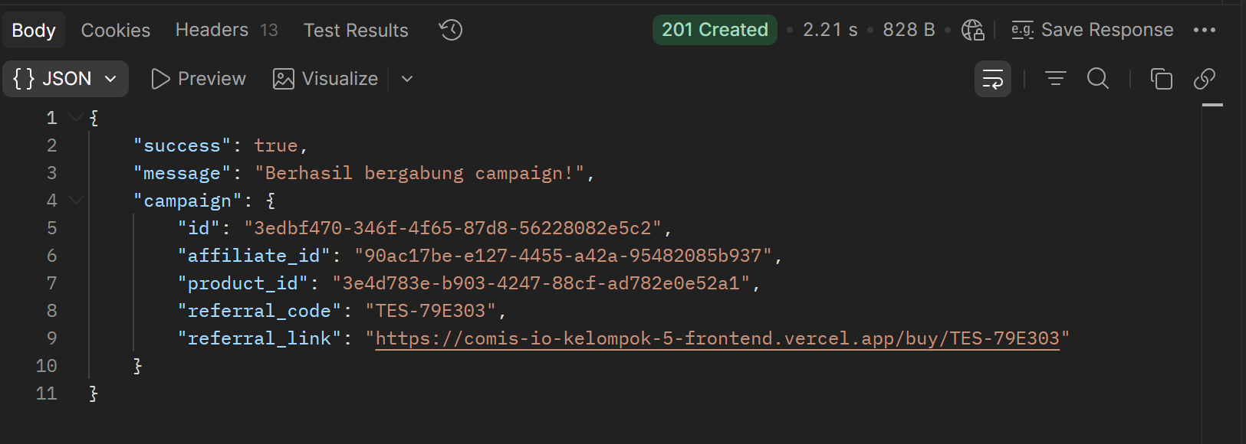 | Done
14 | Campaigns & Referrals | Get Campaigns by Affiliate | GET | {{baseUrl}}/api/campaigns/{{affiliateId}} | 200 OK – Daftar kampanye affiliate berhasil ditampilkan | 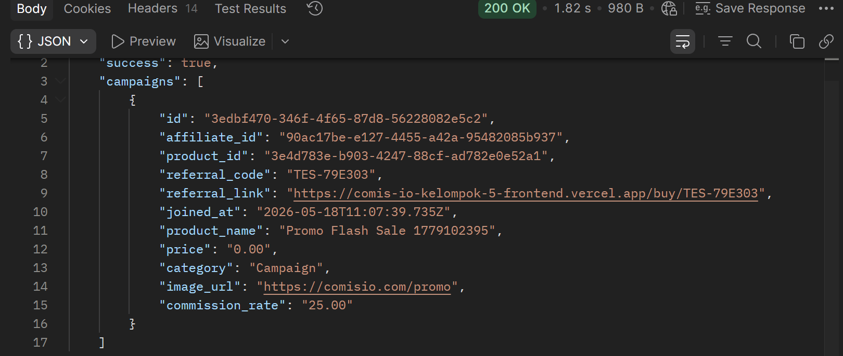 | Done
15 | Campaigns & Referrals | Record Referral Click | POST | {{baseUrl}}/api/referral-click | 200 OK – Klik referral berhasil direkam ke sistem |  | Done
▶ Wallets & Commissions
16 | Wallets & Commissions | Get Wallet Info | GET | {{baseUrl}}/api/wallets/{{affiliateId}} | 200 OK – Informasi wallet affiliate berhasil ditampilkan |  | Done
17 | Wallets & Commissions | Get Commissions Info | GET | {{baseUrl}}/api/commissions/{{affiliateId}} | 200 OK – Data komisi affiliate berhasil ditampilkan |  | Done
▶ Payouts (Penarikan Dana)
18 | Payouts (Penarikan Dana) | Request Payout | POST | {{baseUrl}}/api/payouts/request | 201 Created – Request payout berhasil diajukan |  | Done
19 | Payouts (Penarikan Dana) | Get All Payouts | GET | {{baseUrl}}/api/payouts | 200 OK – Daftar semua payout berhasil ditampilkan | 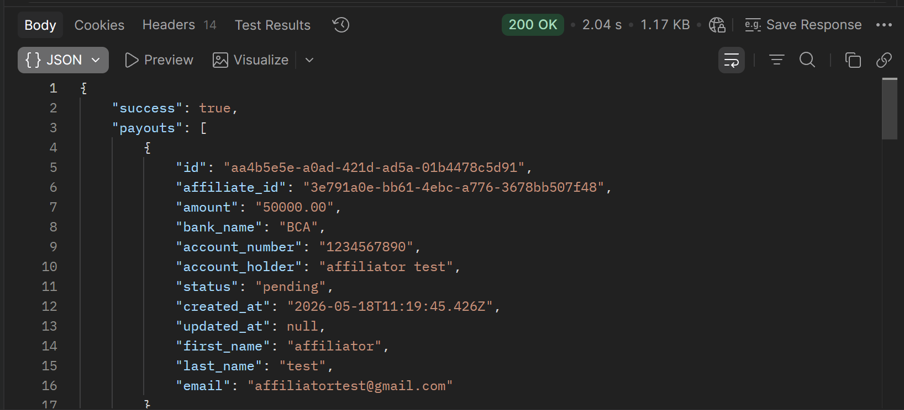 | Done
20 | Payouts (Penarikan Dana) | Get Payouts by Affiliate | GET | {{baseUrl}}/api/payouts/affiliate/{{affiliateId}} | 200 OK – Daftar payout affiliate berhasil ditampilkan |  | Done
21 | Payouts (Penarikan Dana) | Approve Payout | PUT | {{baseUrl}}/api/payouts/{{payoutId}}/approve | 200 OK – Payout berhasil disetujui oleh admin |  | Done
22 | Payouts (Penarikan Dana) | Reject Payout | PUT | {{baseUrl}}/api/payouts/{{payoutId}}/reject | 200 OK – Payout berhasil ditolak oleh admin |  | Done
▶ Commission Schemes
23 | Commission Schemes | Tambah Scheme | POST | {{baseUrl}}/api/commission-schemes | 201 Created – Skema komisi baru berhasil dibuat | 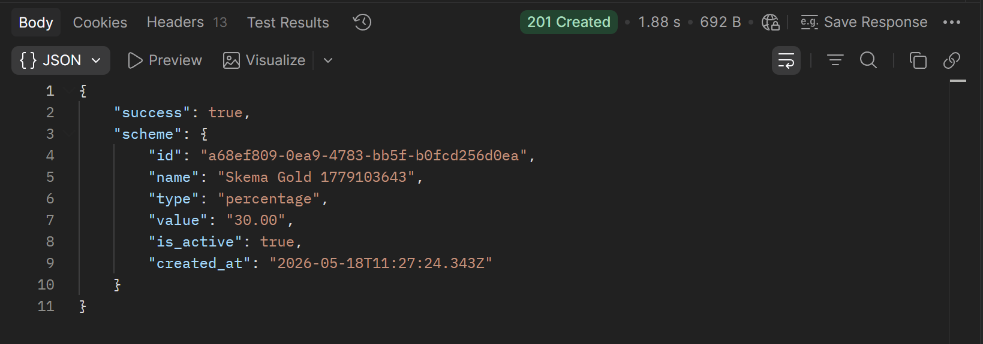 | Done
24 | Commission Schemes | Get Schemes | GET | {{baseUrl}}/api/commission-schemes | 200 OK – Daftar skema komisi berhasil ditampilkan | 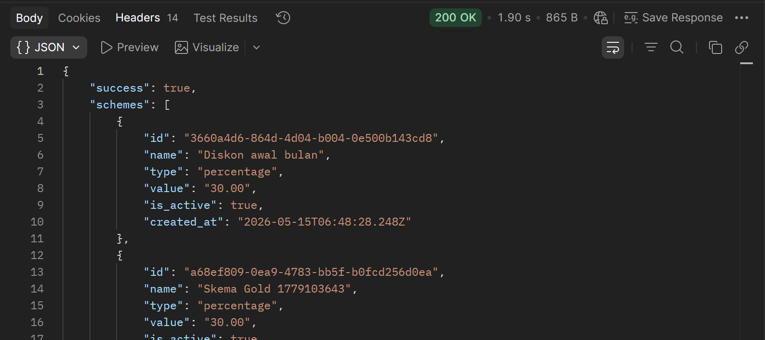 | Done
25 | Commission Schemes | Update Scheme | PUT | {{baseUrl}}/api/commission-schemes/{{schemeId}} | 200 OK – Skema komisi berhasil diperbarui | 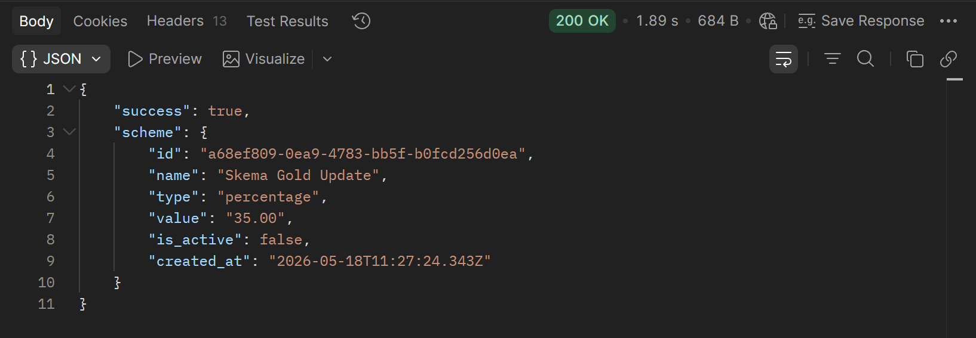 | Done
26 | Commission Schemes | Delete Scheme | DELETE | {{baseUrl}}/api/commission-schemes/{{schemeId}} | 200 OK – Skema komisi berhasil dihapus |  | Done
▶ Dashboard & Notifications
27 | Dashboard & Notifications | Dashboard Admin | GET | {{baseUrl}}/api/dashboard/admin | 200 OK – Data dashboard admin berhasil ditampilkan |  | Done
28 | Dashboard & Notifications | Dashboard Affiliate | GET | {{baseUrl}}/api/dashboard/affiliate/{{affiliateId}} | 200 OK – Data dashboard affiliate berhasil ditampilkan | 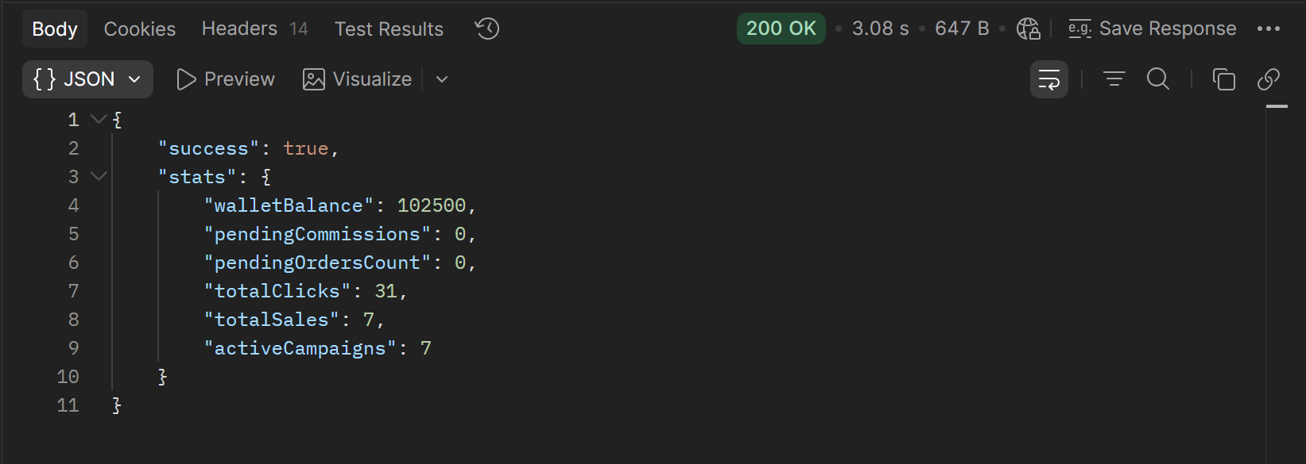 | Done
29 | Dashboard & Notifications | Leaderboard | GET | {{baseUrl}}/api/leaderboard | 200 OK – Data leaderboard berhasil ditampilkan | 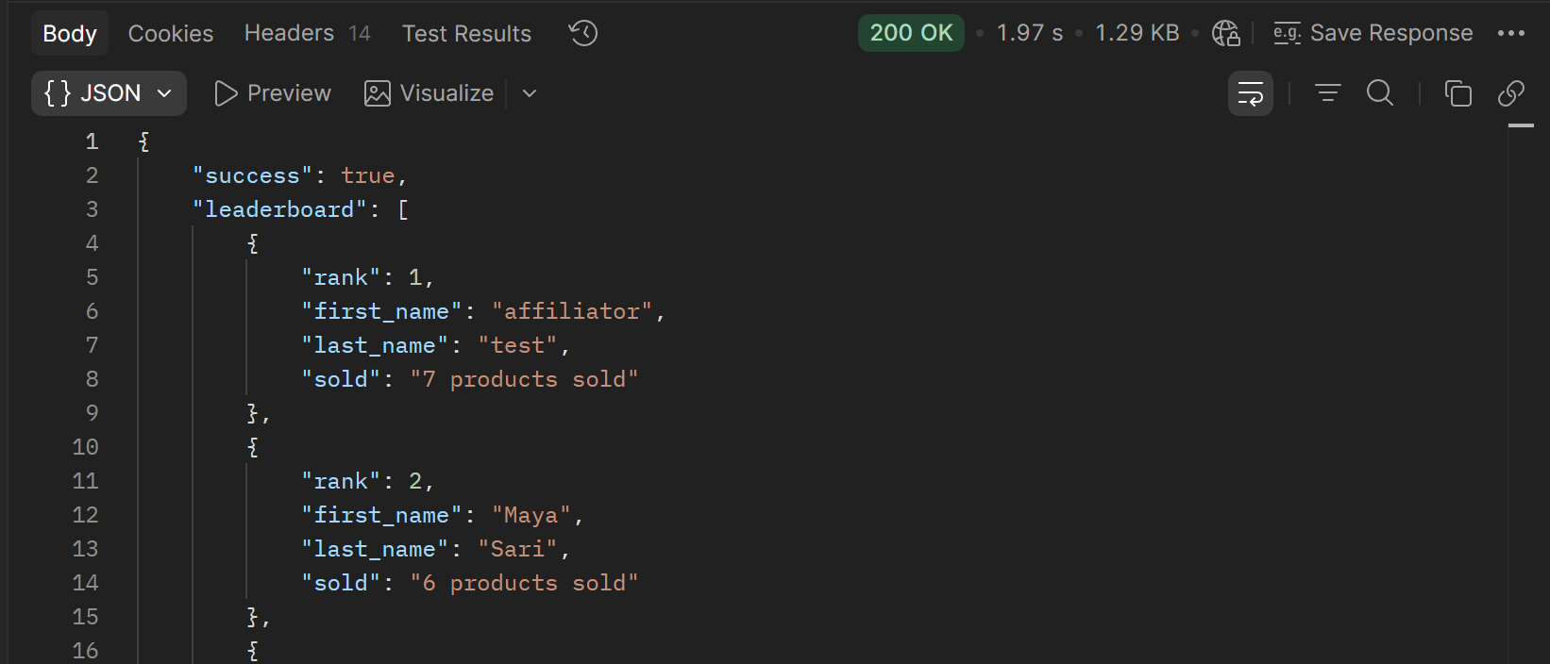 | Done
30 | Dashboard & Notifications | Send Notification (Test) | POST | {{baseUrl}}/api/notifications | 200 OK – Notifikasi berhasil dikirim ke pengguna |  | Done
31 | Dashboard & Notifications | Get Notifications by User | GET | {{baseUrl}}/api/notifications/{{userId}} | 200 OK – Daftar notifikasi user berhasil ditampilkan | 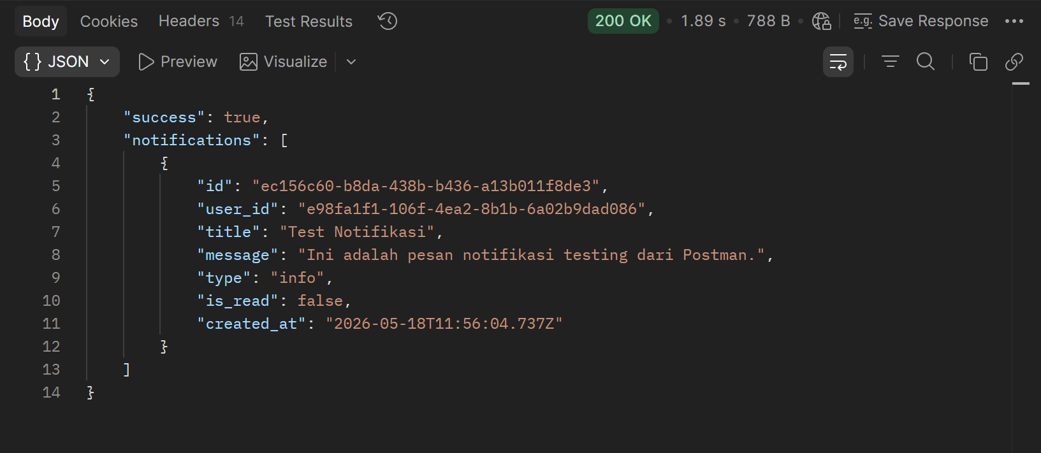 | Done
32 | Dashboard & Notifications | Mark Notification as Read | PUT | {{baseUrl}}/api/notifications/{{notificationId}}/read | 200 OK – Notifikasi berhasil ditandai sebagai sudah dibaca |  | Done
▶ Pembeli & Checkout
33 | Pembeli & Checkout | Get Data Produk (via Referral) | GET | {{baseUrl}}/api/buy/TEST-123456 | 200 OK – Data produk berhasil ditampilkan berdasarkan kode referral | 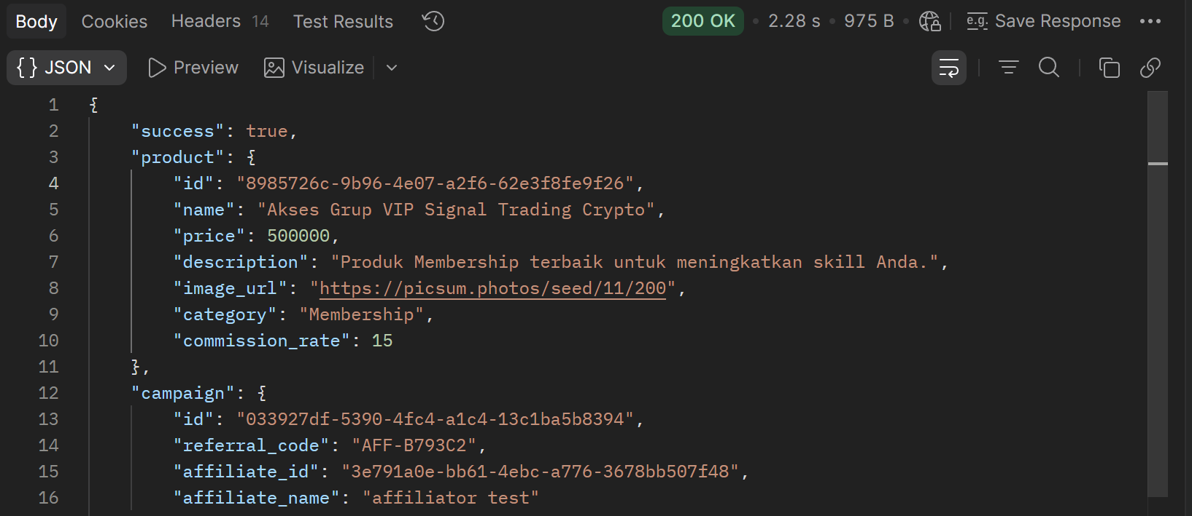 | Done
34 | Pembeli & Checkout | Proses Checkout | POST | {{baseUrl}}/api/checkout | 200 OK – Transaksi checkout berhasil diproses dan komisi tercatat | 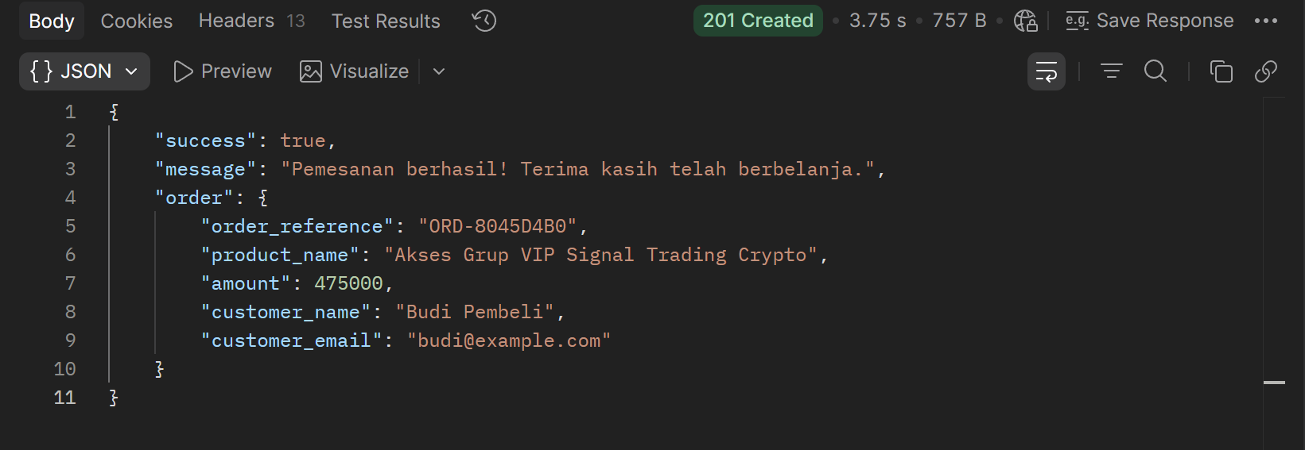 | Done

